Sheet1
 | Operator Joystick |  |  |  | v4.0 (Apr 27, 2019)

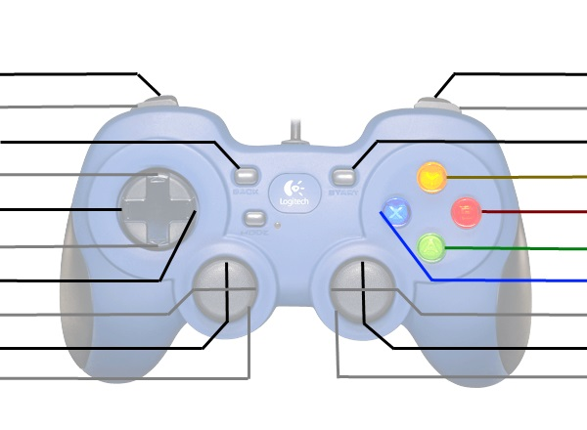
Flip Manipulator* |  |  |  |  | Intake Ball or Hatch
Hatch Mode / Expel Cargo |  |  |  |  | Cargo Mode / Expel Hatch
Starting Configuration |  |  |  |  | *Expand/Contract Hatch Panel Grabber
Up-Shift |  |  |  |  | Elevator to High Height
Left-Shift |  |  |  |  | Elevator to Medium Height
Down-Shift |  |  |  |  | Elevator to Low Height
Righ-Shift |  |  |  |  | Elevator to Cargo Ship Cargo Height

Manipulator Intake In/Out |  |  |  |  | *Elevator Up/Down
Kill Everything |  |  |  |  | Kill Everything

 | These are typically used for debugging or manual override
 | *Shift | Right Vertical Axis | Start | LT
 | Up | Ball Intake In/Out | Ball Intake Unfold/Fold | Manipulator Vertical
 | Right | Manipulator Flip Fwd/Bck | Ball Intake Wheels | Manipulator Forward
 | Down | - | - | Manipulator Backward
 | Left | - | - | -

 | Driver Joystick

Retract Climb |  |  |  |  | Retract Legs
Climb |  |  |  |  | Extent Legs
Continue Left Auto |  |  |  |  | Continue Right Auto
 |  |  |  |  | Drive to Vision Target - Score
 |  |  |  |  | Score Low with Vision
 |  |  |  |  | Drive to Vision Target - Pickup
 |  |  |  |  | Climb Again
 |  |  |  |  | Arcade Drive Turn
Arcade Drive Fwd/Back
Kill Everything |  |  |  |  | Kill Everything

